Sheet1
Skewness & Kurtosis
Skewness
 | Skewness (Denoted by 'S') | It is a measure of Symmetry It indicates whether the data is concentrated on one side either right side or left side.
 | Perfect Symmetric | If Mean = Median = Mode. It is s zero skew. Mean = Median = Mode
 | Positive Skewness | If Mean is greather than Median. It is a right side skew. It indicate right side outliers. Mean > Median > Mode
 | Negative Skewness | If Mean is less than Median. It is a left side skew. It indicate left side outliers.Mean < Median < Mode
 | Why Skewness is so important ? | It tell us where the data are situated.

Kurtosis
 | Kurtosis | It is a tail of the distribution It indicates the extrem values in one versus the other tail It is actually the measure of outliers present in the distribution
 | High Kurtosis | It indicates the data has heavy tail or outlier
 | Low Kurtosis | It indicates the data has light tail or lack of outlier
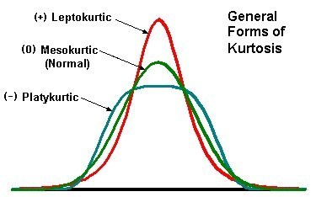
 | Graph

 | Mesokurtic | Data that follows a mesokurtic distribution shows an excess kurtosis of zero or close to zero. This means that if the data follows a normal distribution, it follows a mesokurtic distribution.
 | Leptokurtic | Leptokurtic indicates a positive excess kurtosis. The leptokurtic distribution shows heavy tails on either side, indicating large outliers.
 | Platykurtic | A platykurtic distribution shows a negative excess kurtosis. The kurtosis reveals a distribution with flat tails. The flat tails indicate the small outliers in a distribution.

